Sheet1
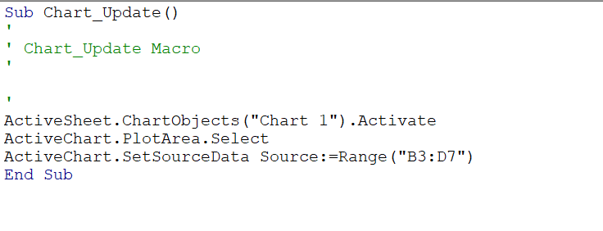
Date | INDIA | USA | China
2019-07-22 | 13611 | 13611 | 98685
2019-07-23 | 16256 | 40635 | 103903
2019-07-24 | 10032 | 11795 | 97974
2019-07-25 | 5978 | 18237 | 104283
2019-07-26 | 42227 | 20438 | 101996

Code for updating new country

